List of TC
Export Test Script
Export Test Script
 | LIST OF TEST CASES

 | Number of test case: | 30

Module | Large item | No | Medium Item | Implement | Expected number of TC |  |  |  |  | Doer | Note
 |  |  |  |  | Normal | Abnormal | Boundary | Regression test | Total
Update user profile | User information | 1 | Contact Name |  | 1 | 1 | 4 |  | 6
 |  | 2 | Address |  |  | 1 |  |  | 1
 |  | 3 | City |  | 1 | 1 |  |  | 2
 |  | 4 | Phone |  | 1 | 1 | 2 |  | 4
 |  | 5 | Email |  | 1 | 1 |  |  | 2
Order product | Product list | 6 | Normal: Product list has items. Abnormal: Product list has no items |  | 1 | 1 |  |  | 2
 | Customer's order information | 7 | Name |  | 2 | 1 | 0 |  | 3
 |  | 8 | Email |  |  | 1 |  |  | 1
 |  | 9 | City |  | 0 | 1 | 2 |  | 3
 |  | 10 | Cost |  | 1 |  |  |  | 1
 |  | 11 | Phone |  | 2 | 1 | 2 |  | 5
 |  | 11 | 11 | 0 | 9 | 10 | 5 |  | 30

Screen 1
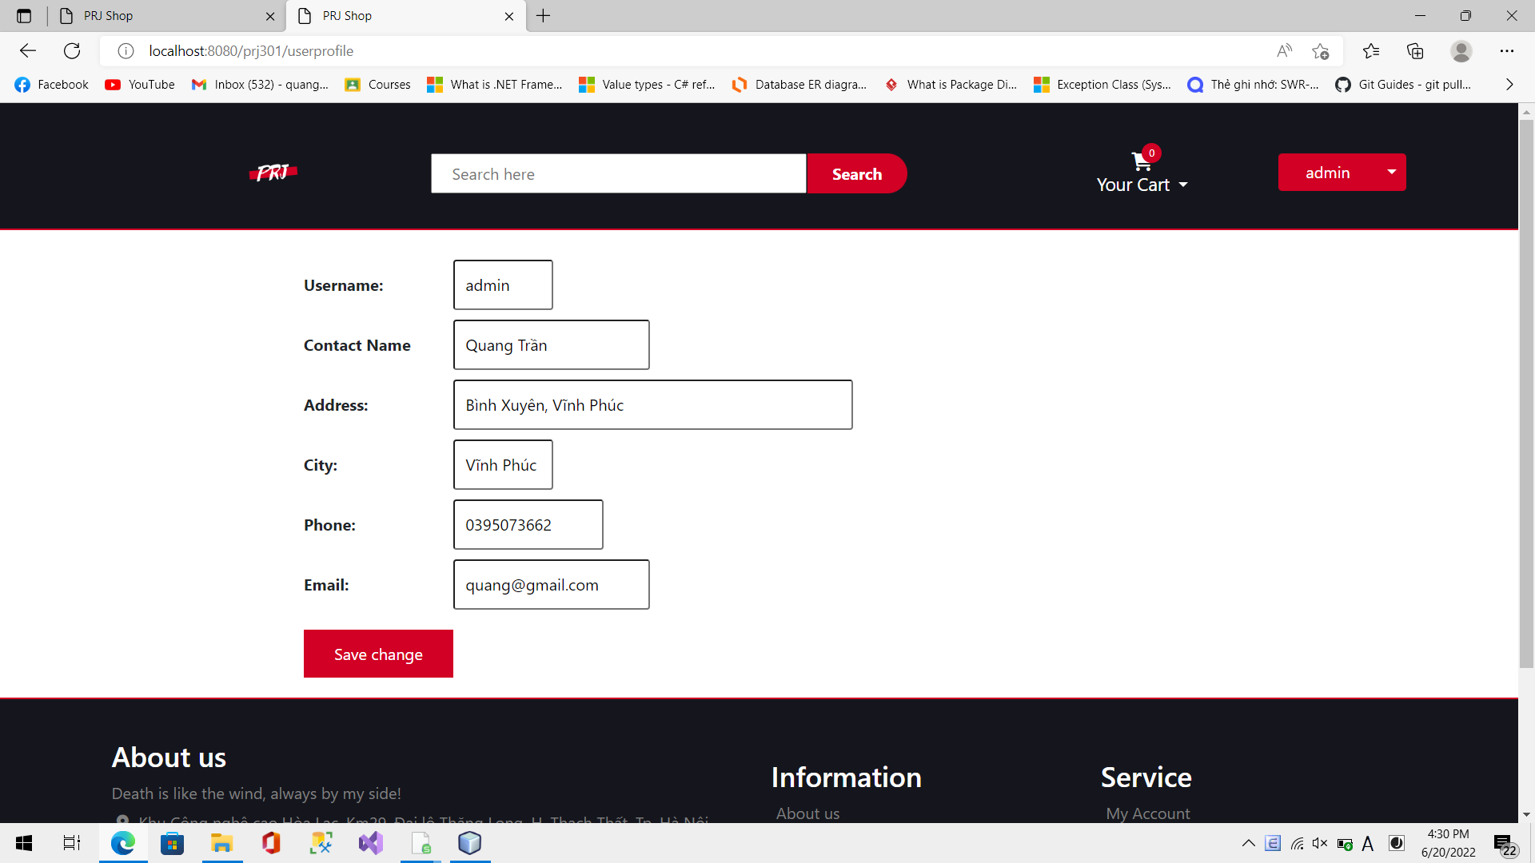

 | Valid Partition | Invalid Partition | Valid Boundary | Invalid Boundary
Name | Lenghth: 2 - 26 | < 2 char | 2 chars | 1 char
 | Valid character: [a-z], [A-Z], space | > 26 char | 26 chars | 27 chars
 |  | invalid char |  | 0 char
Phone | Length: 10 | > 10 digits | 0000000000 | 9 digits
 | Valid char: only digit | < 10 digits | 0999999999 | 11 digits
 | Start with 0 | not start with 0 |  | 0 digit
Email | Contain @ | Not contain @
 | Not existed in database | Existed
City | Length: 3 - 10 | > 10 chars | 3 char | 2 chars
 |  | < 3 chars | 10 chars | 11 chars

Screen 2
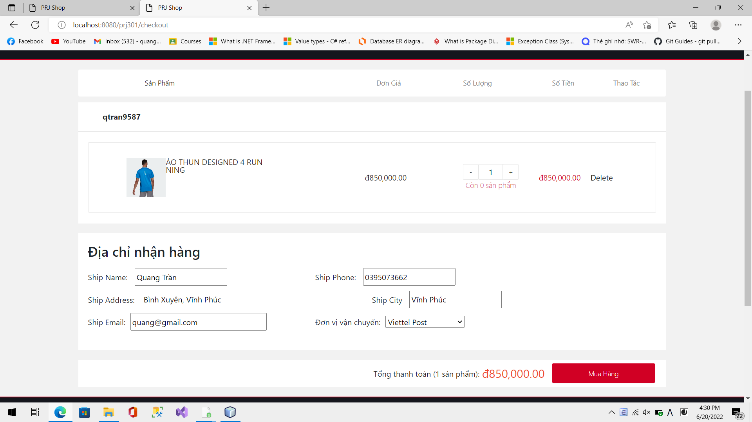

 | Valid Partition | Invalid Partition | Valid Boundary | Invalid Boundary
Name | Lenghth: 2 - 26 | < 2 char | 2 chars | 1 char
 | Valid character: [a-z], [A-Z], space | > 26 char | 26 chars | 27 chars
 |  | invalid char |  | 0 char
Phone | Length: 10 | > 10 digits | 0000000000 | 9 digits
 | Valid char: only digit | < 10 digits | 0999999999 | 11 digits
 | Start with 0 | not start with 0 |  | 0 digit
Email | Contain @ | Not contain @

City | Length: 3 - 10 | > 10 chars | 3 char | 2 chars
 |  | < 3 chars | 10 chars | 11 chars
Product | Allowed user to order if exist product in cart

Total Price | Total price = sum of all total subtotal of product

